Sheet2
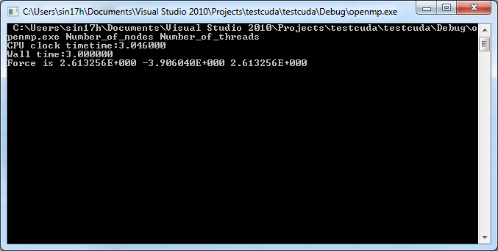

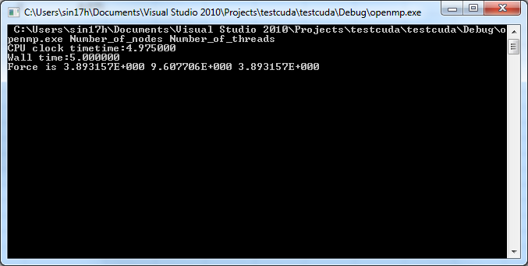

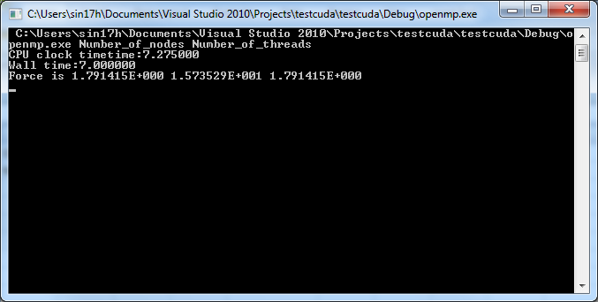

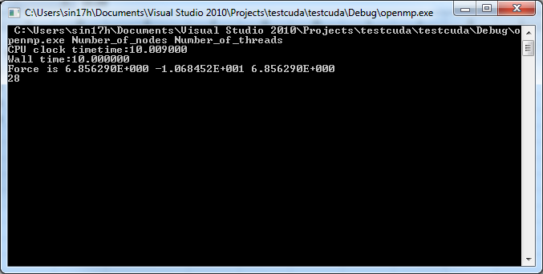

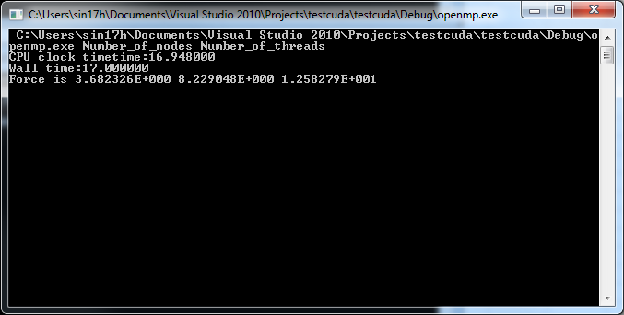



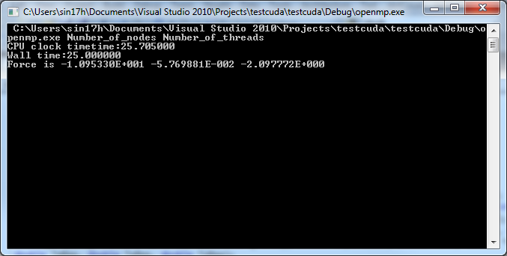

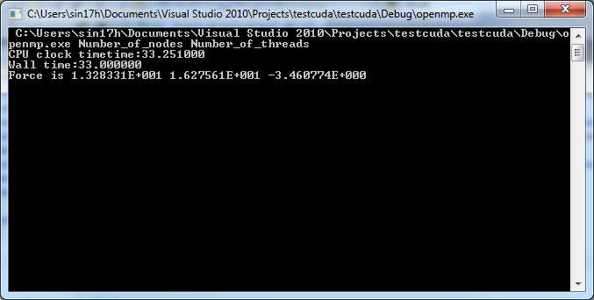

cuda
CUDA project

N | N*N | Threads | wall time | CPU Clock Time
16 | 256 | 1 on CPU | 2 | 1.33
20 | 400 | 1 on CPU | 2 | 2.14
24 | 576 | 1 on CPU | 3 | 3.15
28 | 784 | 1 on CPU | 4 | 4.39
32 | 1024 | 1 on CPU | 6 | 5.77
36 | 1296 | 1 on CPU | 7 | 7.32
40 | 1600 | 1 on CPU | 9 | 9.11
44 | 1936 | 1 on CPU | 11 | 11.05
50 | 2500 | 1 on CPU | 14 | 14.39 | get these from the comparison worksheet
60 | 3600 | 1 on CPU | 21 | 20.98
70 | 4900 | 1 on CPU | 29 | 28.58
80 | 6400 | 1 on CPU | 37 | 37.61
90 | 8100 | 1 on CPU | 49 | 48.68
100 | 10000 | 1 on CPU | 60 | 59.07
110 | 12100 | 1 on CPU | 71 | 71.56
120 | 14400 | 1 on CPU | 86 | 86.03
130 | 16900 | 1 on CPU | 102 | 102.17
140 | 19600 | 1 on CPU | 115 | 115
150 | 22500 | 1 on CPU | 132 | 131.8

N | N*N | Threads per block | wall time | CPU Clock Time
16 | 256 | 256[16,16] | 5 | 4.96
20 | 400 | 256[16,16] | 5 | 4.65
24 | 576 | 256[16,16] | 4 | 4.336
28 | 784 | 256[16,16] | 5 | 4.55
32 | 1024 | 256[16,16] | 4 | 4.452 | were debug results | thread block relation with grid? Are threads block run serially?. If the number of threads per blokc I sless, then we would use more thread blocks in the grid for same operation. So won't they run in paraller. If they run in parallel, then why do we get a performance degrade for lower numner of threads per block
36 | 1296 | 256[16,16] | 5 | 4.73
40 | 1600 | 256[16,16] | 5 | 4.88
44 | 1936 | 256[16,16] | 5 | 5.236
50 | 2500 | 256[16,16] | 6 | 5.62

N | N*N | Threads | wall time | CPU Clock Time
16 | 256 | 1 | 1 | 0.49 |  | Running serially on CPU takes less time(not serially in cuda)
N | N*N | Threads per block | wall time | CPU Clock Time
16 | 256 | 121[11,11] | 3 | 2.99 |  | Running parallely on GPU takes more time since computation is less. Cost of transferring data to and fro is more

N | N*N | Threads | wall time | CPU Clock Time
50 | 2500 | 1 | 6 | 5.2 |  | Running serially on CPU takes more time(not serially in cuda)
N | N*N | Threads per block | wall time | CPU Clock Time
50 | 2500 | 121[11,11] | 4 | 4.09 |  | Running parallely on GPU takes less time since computation is more. Cost of transferring data to and fro is less

N | N*N | Threads per block | wall time | CPU Clock Time
20 | 400 | 1[1,1] | 4 | 3.93 |  | in this case more threadblocks would be assigned…shouldn't they run in parallel. Although 1 thread but on the GPU.
30 | 900 | 1[1,1] | 6 | 5.811
40 | 1600 | 1[1,1] | 9 | 8.42
50 | 2500 | 1[1,1] | 12 | 12
60 | 3600 | 1[1,1] | 17 | 16.5
70 | 4900 | 1[1,1] | 22 | 21.07
80 | 6400 | 1[1,1] | 27 | 27.74

N | N*N | Threads per block | wall time | CPU Clock Time
50 | 2500 | 1[1,1] | 12 | 12
50 | 2500 | 4[2,2] | 5 | 5.69
50 | 2500 | 9[3,3] | 5 | 4.59
50 | 2500 | 16[4,4] | 4 | 4.14
50 | 2500 | 25[5,5] | 4 | 3.91
50 | 2500 | 36[6,6] | 4 | 3.9 |  | use the result for N=100 given below..although these are also correct
50 | 2500 | 49[7,7] | 4 | 3.72
50 | 2500 | 64[8,8] | 4 | 3.74
50 | 2500 | 81[9,9] | 4 | 3.85
50 | 2500 | 100[10,10] | 4 | 3.85
50 | 2500 | 121[11,11] | 3 | 3.79
50 | 2500 | 144[12,12] | 4 | 3.81
50 | 2500 | 256[16,16] | 4 | 4.1
50 | 2500 | 289[17,17] | 4 | 4.36
50 | 2500 | 400[20,20] | 4 | 4.11
50 | 2500 | 484[22,22] | 4 | 4.3
50 | 2500 | 529[25,25] | 4 | 3.891 |  | This is garbage result. Reason might be that max thread per block limit exceeded but the limit is 1024 threads per block..So something fishy here. For debug mode limit was [23,23]

N | N*N | Threads per block | wall time | CPU Clock Time
100 | 10000 | 1[1,1] | 42 | 42.32
100 | 10000 | 4[2,2] | 16 | 15.74
100 | 10000 | 9[3,3] | 11 | 10.7
100 | 10000 | 16[4,4] | 8 | 8.5
100 | 10000 | 25[5,5] | 8 | 7.9
100 | 10000 | 36[6,6] | 8 | 7.78
100 | 10000 | 49[7,7] | 8 | 7.5
100 | 10000 | 64[8,8] | 7 | 7.13
100 | 10000 | 81[9,9] | 8 | 7.73
100 | 10000 | 100[10,10] | 8 | 8.06
100 | 10000 | 121[11,11] | 7 | 7.8
100 | 10000 | 144[12,12] | 8 | 7.88
100 | 10000 | 169[13,13] | 8 | 8.23
100 | 10000 | 256[16,16] | 8 | 8.15
100 | 10000 | 289[17,17] | 9 | 8.74
100 | 10000 | 400[20,20] | 9 | 8.99
100 | 10000 | 484[22,22] | 8 | 8.75
100 | 10000 | 529[25,25] | 4 | 3.891 |  | This is garbage result. Reason might be that max thread per block limit exceeded but the limit is 1024 threads per block..So something fishy here. For debug mode limit was [23,23]

 |  |  |  |  |  | Device 0: "Quadro 4000"
 |  |  |  |  |  | CUDA Driver Version / Runtime Version 4.2 / 4.2
 |  |  |  |  |  | CUDA Capability Major/Minor version number: 2.0
 |  |  |  |  |  | Total amount of global memory: 2048 MBytes (2147155968 bytes)
 |  |  |  |  |  | ( 8) Multiprocessors x ( 32) CUDA Cores/MP: 256 CUDA Cores
 |  |  |  |  |  | GPU Clock rate: 950 MHz (0.95 GHz)
 |  |  |  |  |  | Memory Clock rate: 1404 Mhz
 |  |  |  |  |  | Memory Bus Width: 256-bit
 |  |  |  |  |  | L2 Cache Size: 524288 bytes
 |  |  |  |  |  | Max Texture Dimension Size (x,y,z) 1D=(65536), 2D=(65536,65535), 3D=(2048,2048,2048)
 |  |  |  |  |  | Max Layered Texture Size (dim) x layers 1D=(16384) x 2048, 2D=(16384,16384) x 2048
 |  |  |  |  |  | Total amount of constant memory: 65536 bytes
 |  |  |  |  |  | Total amount of shared memory per block: 49152 bytes
 |  |  |  |  |  | Total number of registers available per block: 32768
 |  |  |  |  |  | Warp size: 32
 |  |  |  |  |  | Maximum number of threads per multiprocessor: 1536
 |  |  |  |  |  | Maximum number of threads per block: 1024
 |  |  |  |  |  | Maximum sizes of each dimension of a block: 1024 x 1024 x 64
 |  |  |  |  |  | Maximum sizes of each dimension of a grid: 65535 x 65535 x 65535
 |  |  |  |  |  | Maximum memory pitch: 2147483647 bytes
 |  |  |  |  |  | Texture alignment: 512 bytes
 |  |  |  |  |  | Concurrent copy and execution: Yes with 2 copy engine(s)
 |  |  |  |  |  | Run time limit on kernels: Yes
 |  |  |  |  |  | Integrated GPU sharing Host Memory: No
 |  |  |  |  |  | Support host page-locked memory mapping: Yes
 |  |  |  |  |  | Concurrent kernel execution: Yes
 |  |  |  |  |  | Alignment requirement for Surfaces: Yes
 |  |  |  |  |  | Device has ECC support enabled: No
 |  |  |  |  |  | Device is using TCC driver mode: No
 |  |  |  |  |  | Device supports Unified Addressing (UVA): No
 |  |  |  |  |  | Device PCI Bus ID / PCI location ID: 3 / 0
 |  |  |  |  |  | Compute Mode:
 |  |  |  |  |  | < Default (multiple host threads can use ::cudaSetDevice() with device simultaneously) >

 |  |  |  |  |  | deviceQuery, CUDA Driver = CUDART, CUDA Driver Version = 4.2, CUDA Runtime Version = 4.2, NumDevs = 1, Device = Quadro 4
 |  |  |  |  |  | 0
 |  |  |  |  |  | [deviceQuery.exe] test results...
 |  |  |  |  |  | PASSED

Sheet4
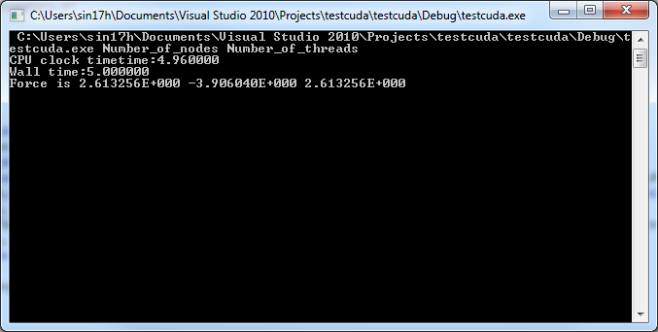

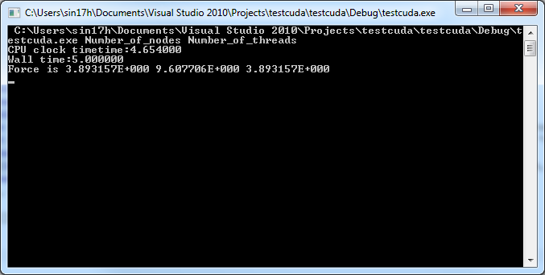

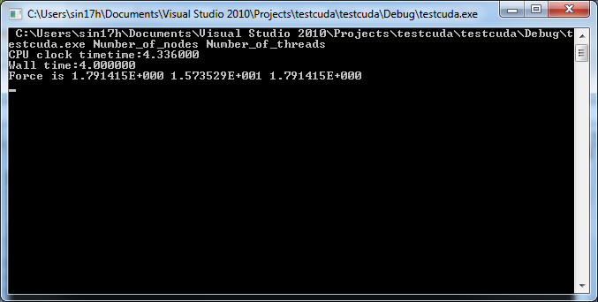

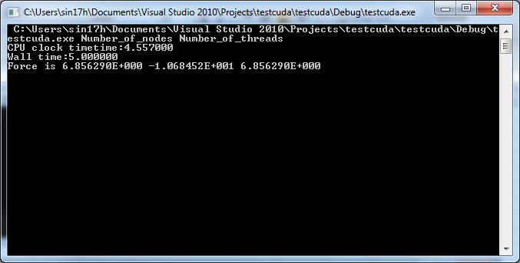

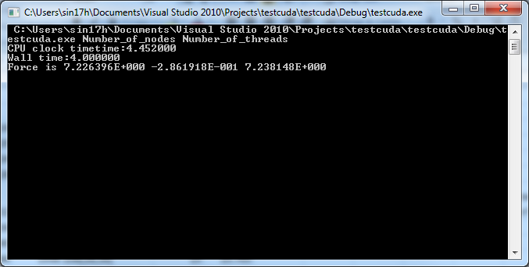

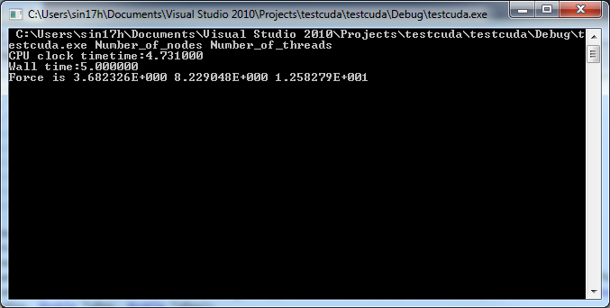

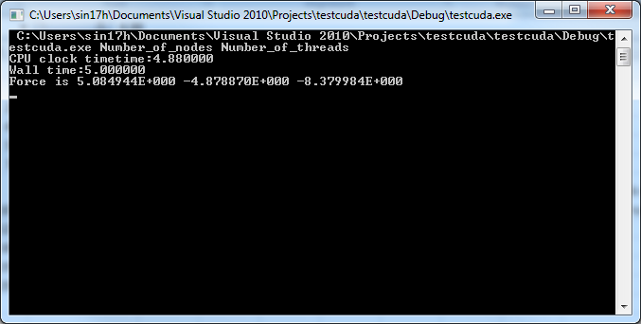

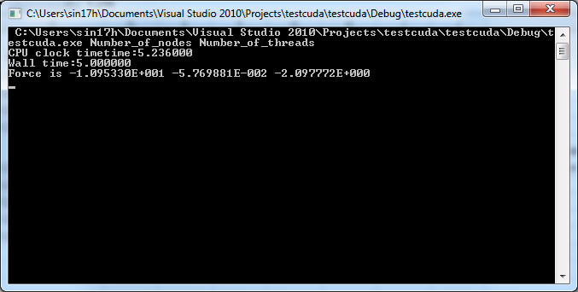

comparison
Result comparison for big data computation
N | N*N | Threads | wall time | CPU Clock Time
20 | 400 | 1 | 1 | 0.789
30 | 900 | 1 | 2 | 1.82
40 | 1600 | 1 | 3 | 3.28
50 | 2500 | 1 | 5 | 5.25
60 | 3600 | 1 | 8 | 7.57
70 | 4900 | 1 | 11 | 10.38
80 | 6400 | 1 | 13 | 13.56
90 | 8100 | 1 | 17 | 17.12
100 | 10000 | 1 | 21 | 21.14
110 | 12100 | 1 | 25 | 25.43
120 | 14400 | 1 | 30 | 30.09
130 | 16900 | 1 | 35 | 35.28
140 | 19600 | 1 | 41 | 40.85
150 | 22500 | 1 | 46 | 46.47
160 | 25600 | 1 | 53 | 52.97
170 | 28900 | 1 | 59 | 59.58

N | N*N | Threads per block | wall time | CPU Clock Time
20 | 400 | 1 on CPU | 2 | 2.15
30 | 900 | 1 on CPU | 5 | 5.09
40 | 1600 | 1 on CPU | 9 | 9.12
50 | 2500 | 1 on CPU | 14 | 14.4
60 | 3600 | 1 on CPU | 21 | 20.95
70 | 4900 | 1 on CPU | 28 | 28.71
80 | 6400 | 1 on CPU | 37 | 37.69
90 | 8100 | 1 on CPU | 49 | 48.61
100 | 10000 | 1 on CPU | 59 | 59.01
110 | 12100 | 1 on CPU | 72 | 71.43
120 | 14400 | 1 on CPU | 85 | 84.51
130 | 16900 | 1 on CPU | 100 | 99.36
140 | 19600 | 1 on CPU | 117 | 116.71
150 | 22500 | 1 on CPU | 135 | 134.47
160 | 25600 | 2 on CPU | 151 | 151.28
170 | 28900 | 3 on CPU | 170 | 170.17

N | N*N | Threads | wall time | CPU Clock Time
50 | 2500 | 5 | 1 | 1.29
60 | 3600 | 5 | 2 | 1.86
70 | 4900 | 5 | 3 | 2.54
80 | 6400 | 5 | 4 | 3.65
90 | 8100 | 5 | 4 | 4.3
100 | 10000 | 5 | 6 | 5.3
110 | 12100 | 5 | 6 | 6.54
120 | 14400 | 5 | 7 | 7.5
130 | 16900 | 5 | 9 | 8.73
140 | 19600 | 5 | 11 | 10.11
150 | 22500 | 5 | 11 | 11.59
160 | 25600 | 5 | 13 | 13.18
170 | 28900 | 5 | 16 | 16.29
180 | 32400 | 5 | 17 | 16.73
190 | 36100 | 5 | 19 | 18.75
200 | 40000 | 5 | 21 | 20.73
210 | 44100 | 5 | 24 | 23.91
220 | 48400 | 5 | 26 | 25.56
230 | 52900 | 5 | 28 | 27.74
240 | 57600 | 5 | 30 | 30.01
250 | 62500 | 5 | 34 | 33.3
260 | 67600 | 5 | 37 | 36.64
270 | 72900 | 5 | 39 | 38.91
280 | 78400 | 5 | 43 | 42.35
290 | 84100 | 5 | 44 | 44.8
300 | 90000 | 5 | 51 | 51.03

400 | 160000 | 5 | 86 | 86.67
500 | 250000 | 5 | 136 | 135.42
600 |  | 5 | 193 | 193.14
700 |  | 5 | 269 | 268.2

N | N*N | Threads per block | wall time | CPU Clock Time | Result for[16,16]
20 | 400 | 121[11,11] | 3 | 2.93
30 | 900 | 121[11,11] | 3 | 3.175
40 | 1600 | 121[11,11] | 3 | 3.419
50 | 2500 | 121[11,11] | 4 | 3.82 | 5 | 4.08 | Got incorrect results in release mode in cuda
60 | 3600 | 121[11,11] | 4 | 4.48 | 4 | 4.15
70 | 4900 | 121[11,11] | 5 | 5.29 | 5 | 5.31
80 | 6400 | 121[11,11] | 6 | 5.81 | 6 | 6.02
90 | 8100 | 121[11,11] | 7 | 6.71 | 7 | 6.98
100 | 10000 | 121[11,11] | 8 | 7.83 | 8 | 8.11
110 | 12100 | 121[11,11] | 9 | 8.79 | 9 | 9.27
120 | 14400 | 121[11,11] | 10 | 9.87 | 10 | 10.13
130 | 16900 | 121[11,11] | 11 | 11.41 | 12 | 11.81
140 | 19600 | 121[11,11] | 12 | 12.76 | 13 | 13
150 | 22500 | 121[11,11] | 14 | 14.69 | 16 | 15.49
160 | 25600 | 121[11,11] | 17 | 16.33 | 17 | 16.76
170 | 28900 | 121[11,11] | 19 | 18.97 | 20 | 19.63
180 | 32400 | 121[11,11] | 21 | 20.52 | 21 | 21.38
190 | 36100 | 121[11,11] | 23 | 22.49 | 23 | 23.32 | results are for 484[22,22] thread block.
200 | 40000 | 121[11,11] | 24 | 24.56 | 25 | 25.02 | 28 | 28.01
210 | 44100 | 121[11,11] | 27 | 27.58 | 29 | 28.89
220 | 48400 | 121[11,11] | 29 | 29.48 | 31 | 30.49
230 | 52900 | 121[11,11] | 32 | 31.59 | 33 | 33.37
240 | 57600 | 121[11,11] | 34 | 34.17 | 35 | 35.28
250 | 62500 | 121[11,11] | 41 | 40.32 | 42 | 41.95
260 | 67600 | 121[11,11] | 51 | 51.45 | 53 | 52.94
270 | 72900 | 121[11,11] | 45 | 44.89 | 47 | 46.62
280 | 78400 | 121[11,11] | 48 | 48.17 | 49 | 49.61
290 | 84100 | 121[11,11] | 50 | 50.29 | 52 | 51.97
300 | 90000 | 121[11,11] | 54 | 54.7 | 55 | 55.5

400 | 160000 | 121[11,11] | 88 | 88.11 | 90 | 90.351
500 | 250000 | 121[11,11] | 163 | 162.9 | 171 | 170.53
600 | 360000 | 121[11,11] | 193 | 192.78 | 194 | 194.8
700 |  |  | 255 | 255.27 | 266 | 265.5
800 |  |  | 342 | 342.8

